Sales & Estimation
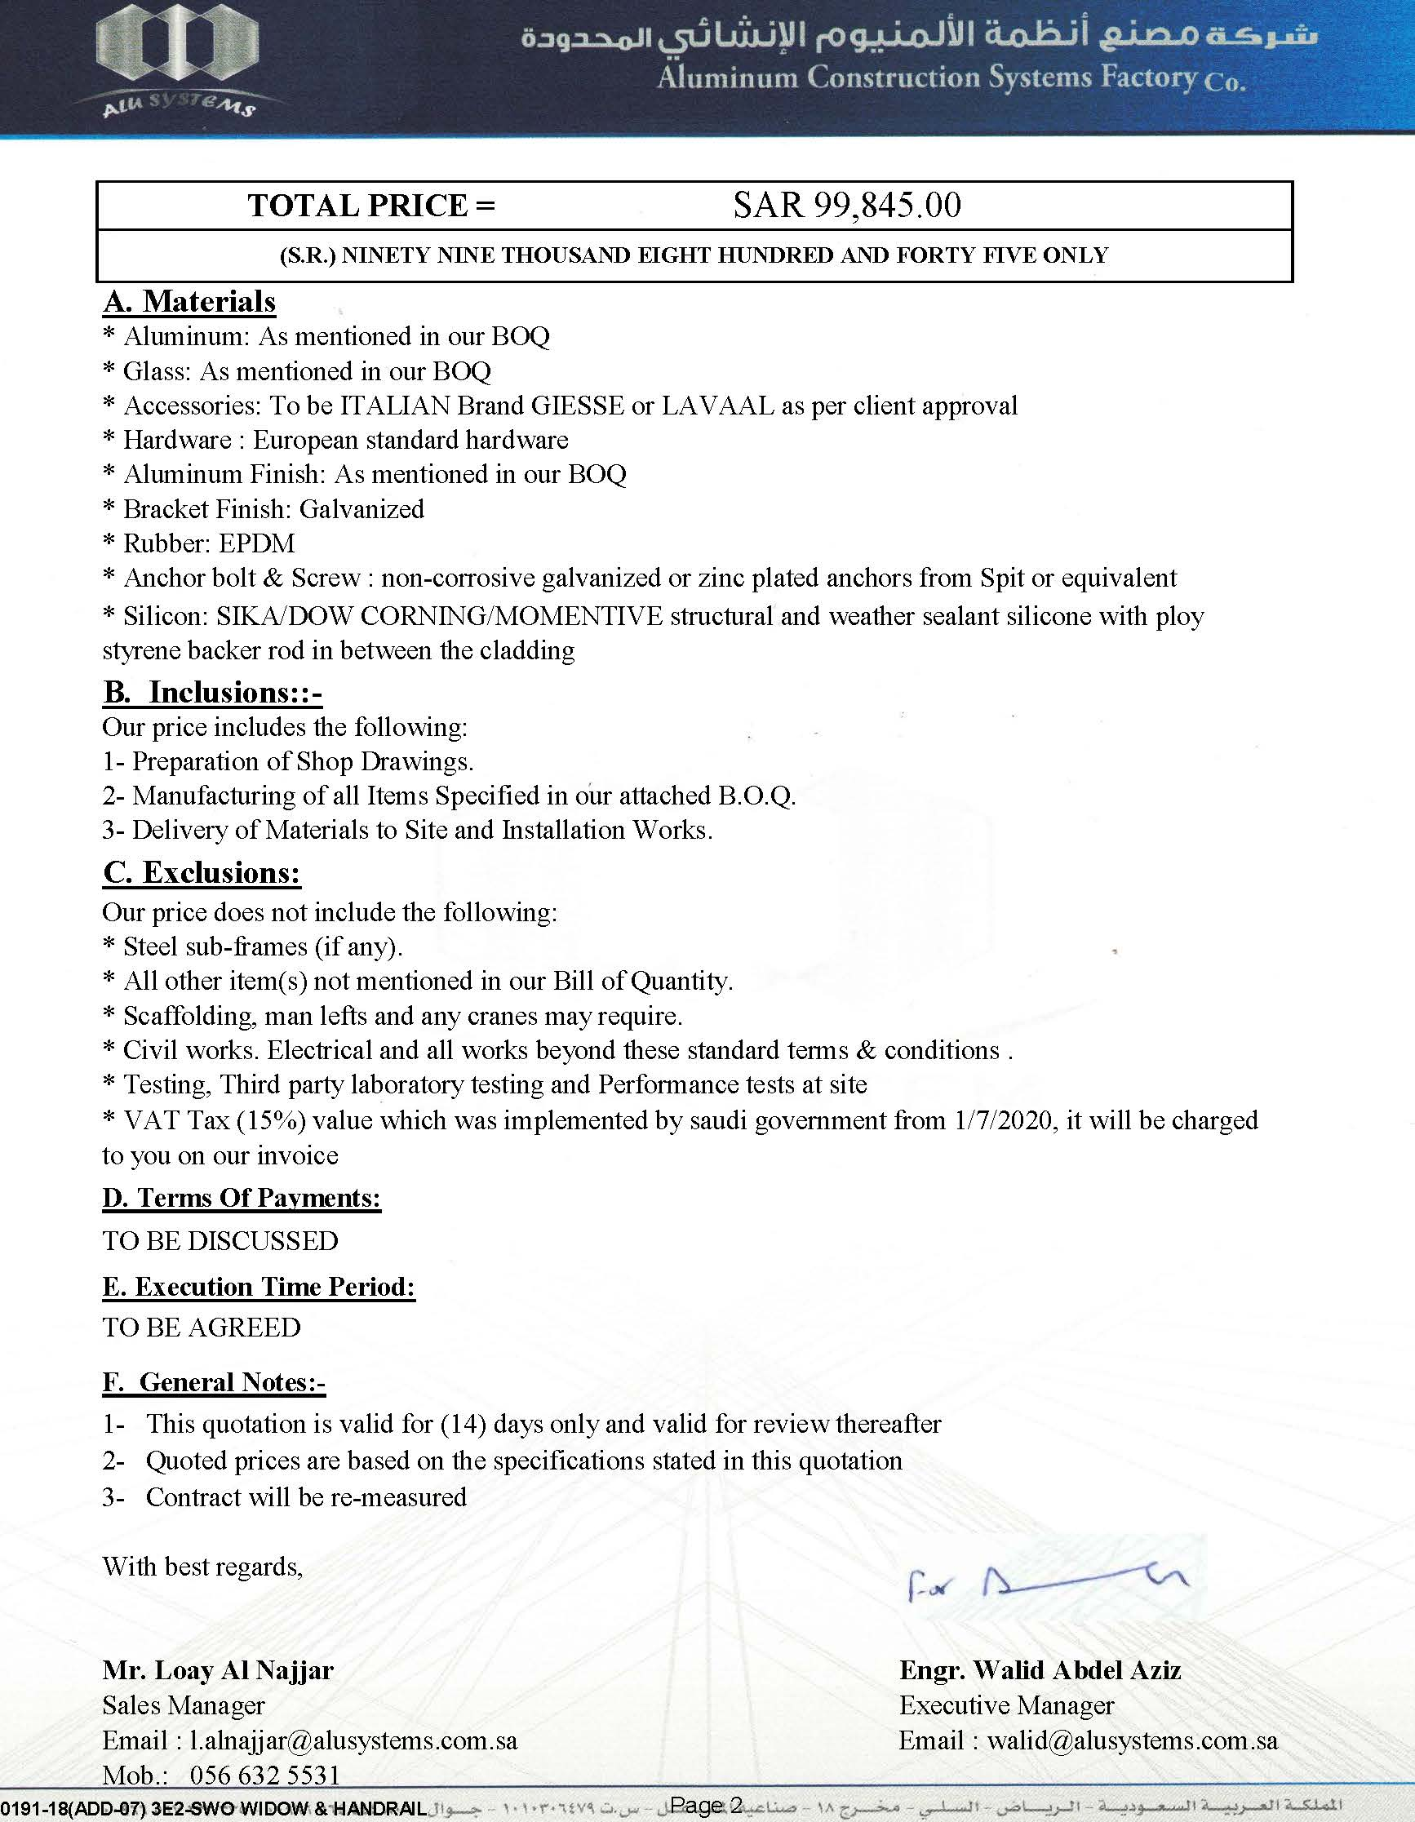
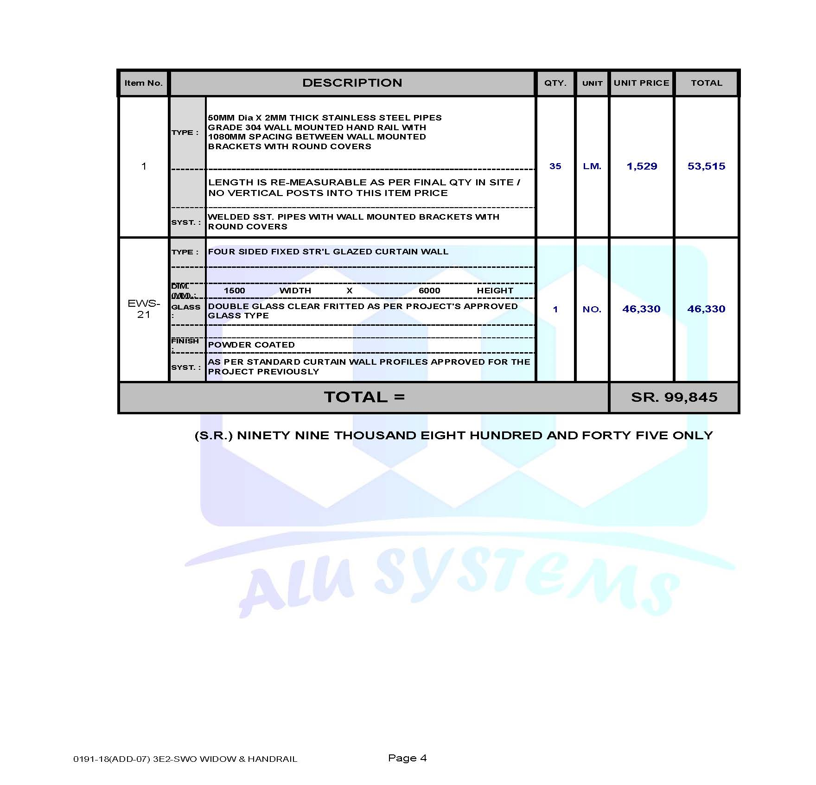
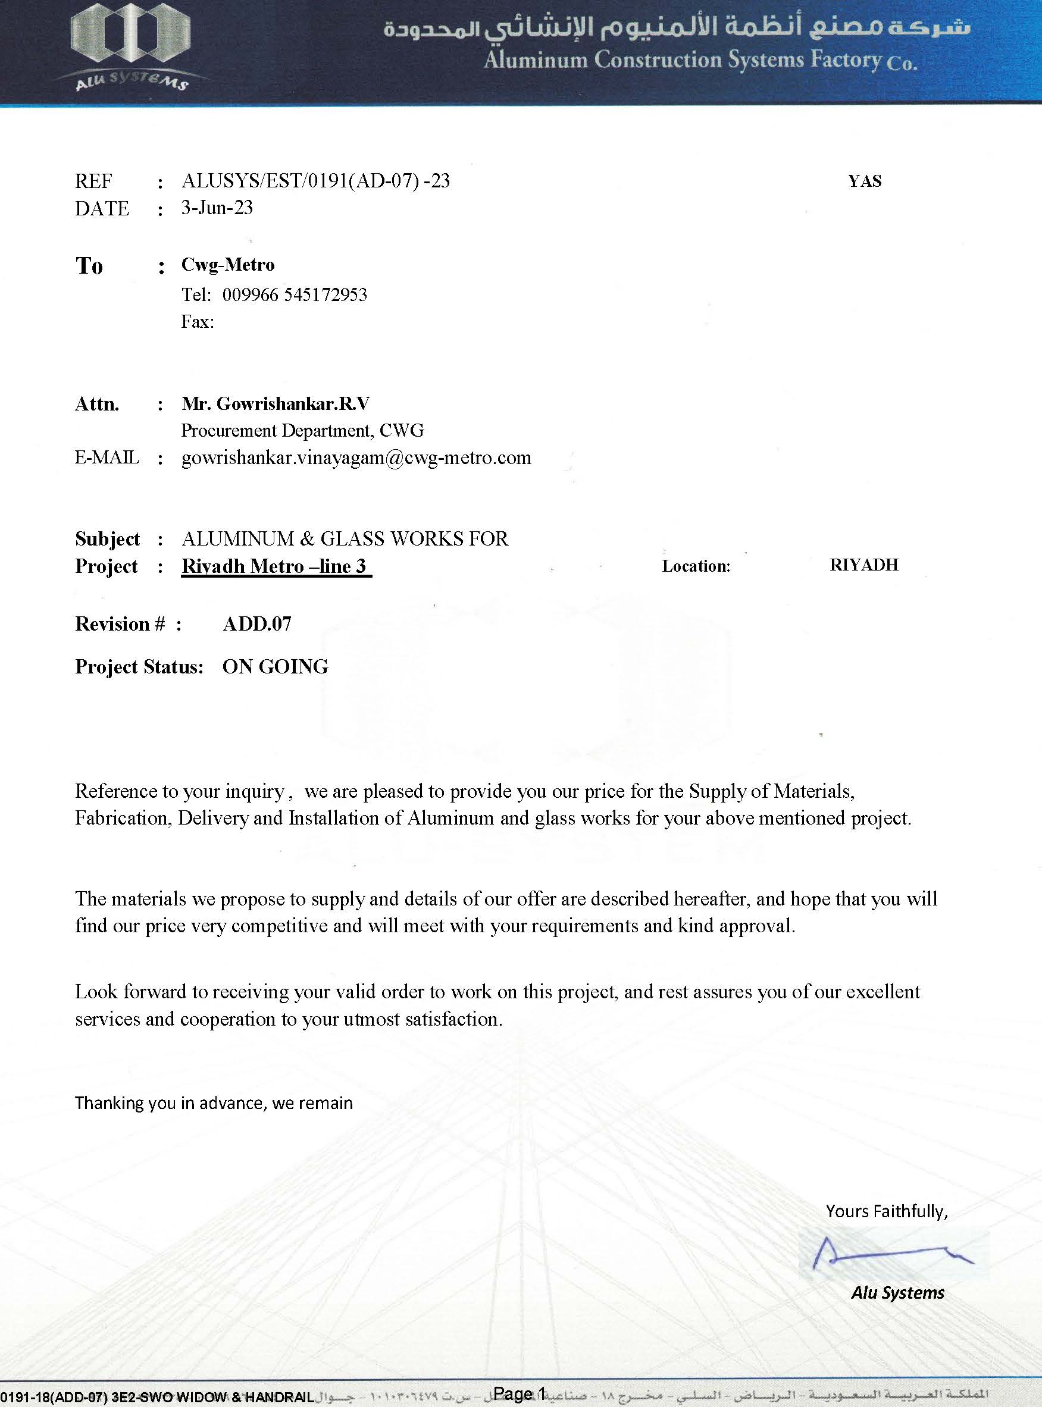
First stage

Project opportunity

second Stage

Inquiry

Third Stage

Quotation

Sales
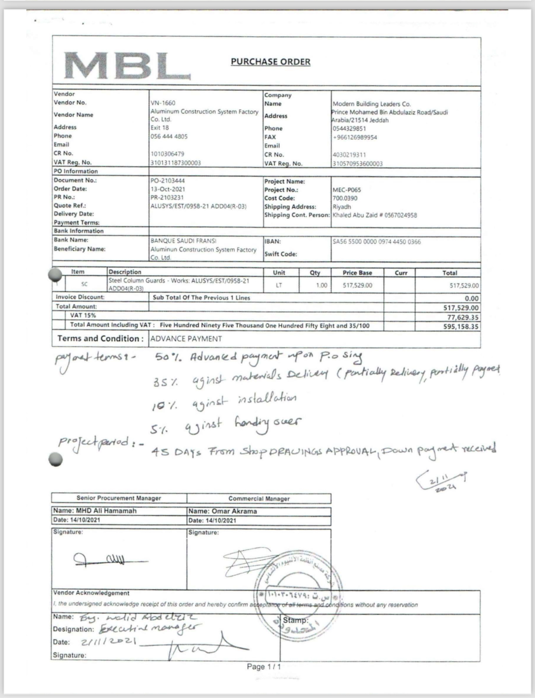
Stage 4

Purchase order /or contractor

